Sheet1
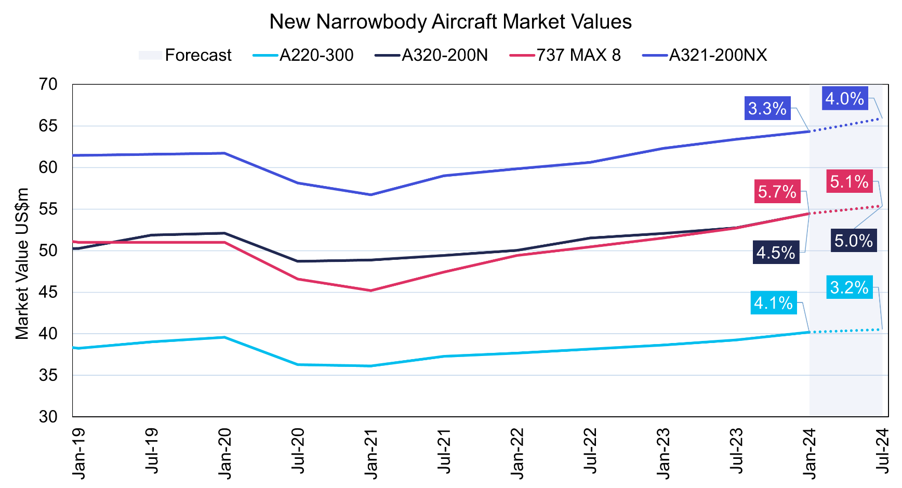
Make Model | Type | family | Engine | Range | PAX | Text $ | Price ($M) |  | Market value
BOEING 737-MAX 7 | 737-MAX 7 | 737 |  |  | 172 | $99.7M | 99.7 | #N/A | 49.85 | http://www.axonaviation.com/commercial-aircraft/aircraft-data/aircraft-pricing
Airbus A220-100 | A220-100 | A220 |  |  |  | $81.0M | 81 | #N/A | 40.5 | https://simpleflying.com/how-much-do-airbus-aircraft-cost/
Airbus A220-300 | A220-300 | A220 |  |  |  | $91.5M | 91.5 | #N/A | 45.75 | https://simpleflying.com/how-much-do-airbus-aircraft-cost/
Airbus A318 | A318 | A320 | GE, Pratt & Whitney | 3,100 NM | 107 | $75.1M | 75.1 | #N/A | 37.55
Airbus A319 | A319 | A320 | GE, International Aero Engines | 3,700 nm | 124 | $89.6M | 89.6 | #N/A | 44.8
Airbus A319NEO | A319NEO | A320 |  |  |  | $101.5M | 101.5 | #N/A | 50.75 | https://simpleflying.com/how-much-do-airbus-aircraft-cost/
Airbus A320 | A320 | A320 | GE, International Aero Engines | 3,300 NM | 150 | $98M | 98 | #N/A | 49
Airbus A321 | A321 | A320 | GE, International Aero Engines | 3,200 NM | 185 | $114.9M | 114.9 | #N/A | 57.45
Airbus A321NEO | A321NEO | A320 |  |  |  | $129.5M | 129.5 | #N/A | 64.75 | https://simpleflying.com/how-much-do-airbus-aircraft-cost/
Airbus A330-200 | A330-200 | A330/340 | ROLLS-ROYCE, GE, Pratt & Whitney | 7,250 NM | 247 | $231.5M | 231.5 | #N/A | 115.75
Airbus A330-200F | A330-200F | A330/340 | Pratt & Whitney, ROLLS-ROYCE | 4,000 NM | N/A | $234.7M | 234.7 | #N/A | 117.35
Airbus A330-300 | A330-300 | A330/340 | ROLLS-ROYCE, GE, Pratt & Whitney | 6,350 NM | 277 | $256.4M | 256.4 | #N/A | 128.2
Airbus A330-800NEO | A330-800NEO | A330/340 |  |  |  | $259.9M | 259.9 | #N/A | 129.95 | https://simpleflying.com/how-much-do-airbus-aircraft-cost/
Airbus A330-900NEO | A330-900NEO | A330/340 |  |  |  | $296.4M | 296.4 | #N/A | 148.2 | https://simpleflying.com/how-much-do-airbus-aircraft-cost/
Airbus A340-300 | A340-300 | A330/340 | CFM International | 7,300 NM | 277 | $219M | 219 | #N/A | 109.5
Airbus A350-900 | A350-900 | A350 | ROLLS-ROYCE | 8,100 NM | 325 | $308.1M | 308.1 | #N/A | 154.05
Airbus A350-1000 | A350-1000 | A350 | ROLLS-ROYCE | 7,950 NM | 366 | $355.7M | 355.7 | #N/A | 177.85
Airbus A380 | A380 | A380 | ROLLS-ROYCE, Engine Alliance | 8,200 NM | 544 | $350M | 350 | #N/A | 175
Boeing 737-700 | 737-700 | 737 | Pratt & Whitney, GE | 3,440 NM | 126 | $89.1M | 89.1 | 89.1 | 44.55
Boeing 737-800 | 737-800 | 737 | Pratt & Whitney, GE, ROLLS-ROYCE | 3,115 NM | 162 | $106.1M | 106.1 | 106.1 | 53.05
Boeing 737-900ER | 737-900ER | 737 | Pratt & Whitney, GE | 3,265 NM | 178 | $112.6M | 112.6 | 112.6 | 56.3 |  | https://www.iba.aero/insight/aircraft-values-lease-rates-update-february-2024/
Boeing 747-400 | 747-400 | 747 | Pratt & Whitney, GE, ROLLS-ROYCE | 7,260 NM | 410 |  |  | #N/A | 0
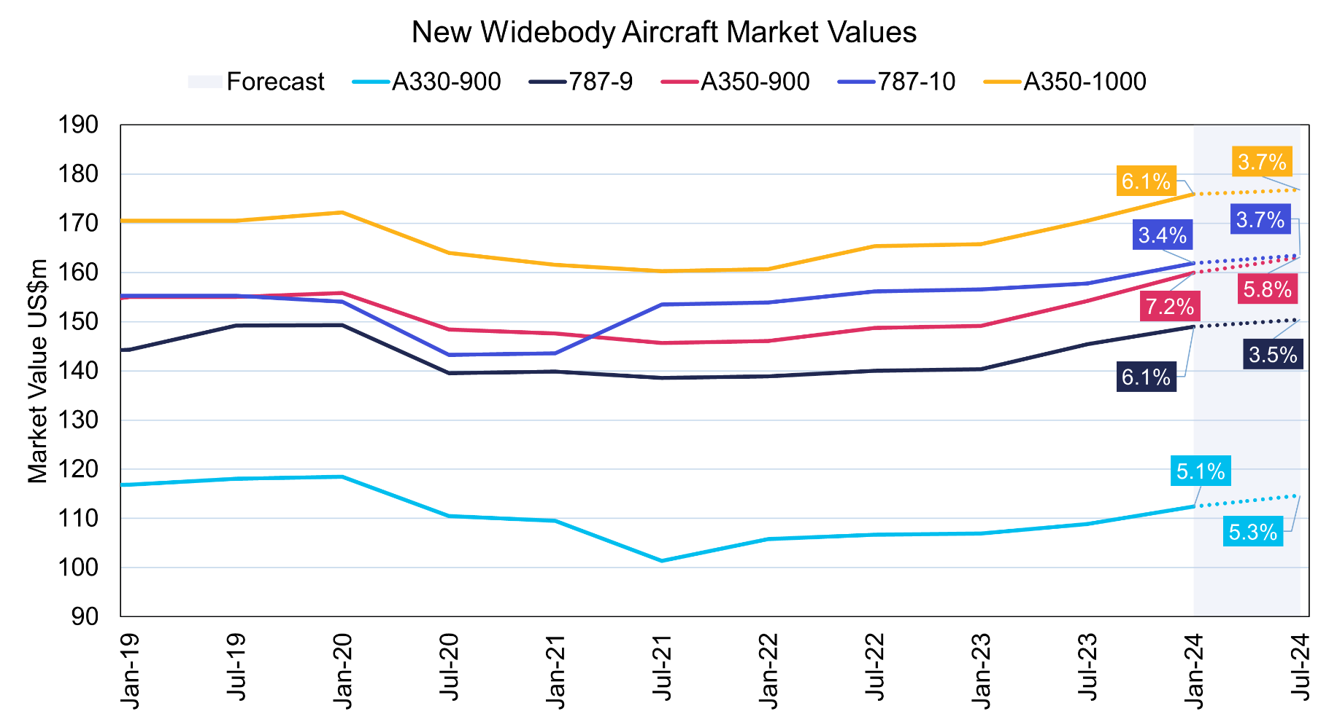
Boeing 747-400F | 747-400F | 747 | Pratt & Whitney, GE, ROLLS-ROYCE | 4,445 NM | N/A |  |  | #N/A | 0
Boeing 747-8i | 747-8i | 747 | GE | 7,730 NM | 410 | $418.4M | 418.4 | #N/A | 209.2
Boeing 757-200 | 757-200 | 757 | ROLLS-ROYCE, Pratt & Whitney | 4,100 NM | 200 | TBC |  | #N/A | 0
Boeing 757-300 | 757-300 | 757 | ROLLS-ROYCE, Pratt & Whitney | 3,595 NM | 243 | TBC |  | #N/A | 0
Boeing 767-300ER | 767-300ER | 767 | Pratt & Whitney, GE, ROLLS-ROYCE | 6,310 NM | 269 | $217.9M | 217.9 | 217.9 | 108.95
Boeing 767-400ER | 767-400ER | 767 | Pratt & Whitney, GE | 5,625 NM | 304 | TBC |  | #N/A | 0
Boeing 777-200ER | 777-200ER | 777 | Pratt & Whitney, GE, ROLLS-ROYCE | 7,065 NM | 313 | $306.6M | 306.6 | 306.6 | 153.3
Boeing 777-200LR | 777-200LR | 777 | GE | 8,555 NM | 317 | $346.9M | 346.9 | 346.9 | 173.45
Boeing 777-300ER | 777-300ER | 777 | GE | 7,370 NM | 396 | $375.5M | 375.5 | 375.5 | 187.75
Boeing 777F | 777F | 777 | GE | 4,970 NM | N/A | $352.3M | 352.3 | #N/A | 176.15
Boeing 787-8 | 787-8 | 787 | GE, ROLLS-ROYCE | 7,355 NM | 242 | $248.3M | 248.3 | 248.3 | 124.15
Boeing 787-9 | 787-9 | 787 | GE, ROLLS-ROYCE | 7,635 NM | 290 | $292.5M | 292.5 | 292.5 | 146.25
Boeing 787-10 | 787-10 | 787 | GE , ROLLS-ROYCE | 6,430 NM | 330 | 338.4 | 338.4 | 338.4 | 169.2
Bombardier CRJ100ER/LR | CRJ100ER/LR | CRJ | GE | 1,620 NM / 2,003 NM | 50 | TBC |  | #N/A | 0
Bombardier CRJ200ER/LR | CRJ200ER/LR | CRJ | GE | 1,644 NM / 2,004 NM | 50 | TBC |  | #N/A | 0
Bombardier CRJ700ER | CRJ700ER | CRJ | GE | 1,378 NM | 66 | TBC |  | #N/A | 0
Bombardier CRJ900ER/LR | CRJ900ER/LR | CRJ | GE | 1,317 NM / 1,553 NM | 79 | TBC |  | #N/A | 0
Bombardier CRJ1000ER | CRJ1000ER | CRJ | GE | 1,622 NM | 50 | TBC |  | #N/A | 0
Embraer 170LR | 170LR | ERJ170/175/190/195 | GE | 2,100 NM | 70 | $26.5M | 26.5 | #N/A | 13.25
Embraer 175 | 175 | ERJ170/175/190/195 | GE | 2,150 NM | 78 | $28M | 28 | #N/A | 14
Embraer 190 | 190 | ERJ170/175/190/195 | GE | 2,400 NM | 94 | $32M | 32 | #N/A | 16
Embraer 195 | 195 | ERJ170/175/190/195 | GE | 2,000 NM | 106 | $40M | 40 | #N/A | 20

